Order Entry
Order Entry
SL | Menu | Event | Story | Dependancy
 | Order Entry | Create New (Button) | Super Admin (Can get all List)
 |  |  | Admin User (Will get Companies all Unit)
 |  |  | Specific Unit Wise Permission user will get only permitted Company
 |  |  | Data com from Price Quotation & Style
 |  |  | Data will Save Company wise
 |  |  | # Data Source* (Dropdown Select - Individual & Price Quotation, Inquiry ID) # Style* - Need instant + Button for Individual Select & All style dropdown show from Master for Individual Select, For Price Quotation Select only those Style should show in Dropdown which Price Quotation should have already done & Inquiry ID Dropdown for Inquiry ID Select & Data come from Price Quotation. # If the User doesn't Entry price Quotation - Show a alert massage that is - No data found in Price Quotation. # "Get Data" Button Buyer* (From Style) or Style Master, Style Description (From Style) or Writeable, Order Status (Hardcoded Dropdown - Confirm, Projection, Cancel and Reject) Garments Category (From Style) or Dropdpwn form Master, Garments Item Group (From Style) or Dropdpwn form Master, Season (From Style) or Dropdpwn form Master, Team Leader (From Style) or Dropdpwn form Master Dealing Merchant (From Style or Dropdown - Team Leader wise) Factory Merchant (From Style or Dropdown - Team Leader wise) Currency (From Style) or Dropdpwn form Master, UOM (From Style) & Hardcoded Dropdown - Pcs, Set and Pack, Fabric Type - Dropdpwn form Master and Have Multiple select option, Fabric Composition - Dropdpwn form Master - Multiple Select,, GSM - (Integer), Yarn Type Dropdpwn form Master - Multiple Select, Yarn Composition Dropdpwn form Master - Multiple Select, Yarn Certification Dropdpwn form Master - Multiple Select, SMV* (Auto fill up form Price Quotation data) or Have Browse option. Repeat No (Text), Model Code (Integer) Garments Department (Dropdown from Master), Embellishment Type (From Style) or Dropdown from Master Embellishment Name (From Style) or Text, Garments Certification (Dropdown from Master) Ship Mode (Hardcoded Dropdown - Sea, Air, Road, Train, Sea/Air, Road/Air) Quality Label (Text), Style Owner (Text), Garments Weight (g) (Float), Average Weight (g) (Float), Special Instruction (Browse option) SMV Browse option Garments Ite | # Item will come from particular Price Quotation wise. # If Search by Style data will come from Price Quotation. # Data pull by Data Source Field. # Show Alert Massage when selecting Data Source - Data pull form Price Quotation kind of. # For Inquiry ID Select - New field will Generate that is "Inquiry ID" - Show Inquiry ID In Dropdown & For this only - Style will come auto against Inquiry ID. # There should be an option for Save & Draft Save. If click Draft it saves those data & takes me list page - No validation with Mandatory Field.
 |  |  | Packing Ratio should have multiple adding option.
 |  |  | Season PO Wise | In every PO there is field for Season which will show in dropdown.
 |  |  | Sustainable Material mendatory hobe.
 |  |  | Need 3 new field that is "Embellishment Type", "Embellishment Name" & "Embellishment Notes" ( Need Dropdown in Embellishment Type - (AOP, Placement Print, Embroidery & Others) | Will be multiple
 |  |  | Need 3 new entry field that are "Yarn Type, Yarn Certification, Yarn Composition" & data come from Quotation Inquiry.
 |  |  | Other field as it is.
 |  | PO Entry | PO Info- Order Status (Hardcoded Dropdown - Confirm, Projection, Cancel and Reject), PO * (Text), PO Received Date (Calender), Ex Factory Date (Calender), Shipment Date * (Calender), Week (Week No. to this year according to Shipment Date) Lead Time (Auto Calculate according to "PO Received Date" to "Shipment Date") PO Quantity * (Integer) FOB In Dzn (Float) FOB Price * (Float) Carton Info (Text) Internal Ref No (Text) Comm File No (Text) Packing Ratio (Hardcoded Dropdown - Solid Color Solid Size, Solid Color Asort Size, Asort Color Solid Size, Asort Color Asort Size) Delay For (Hardcoded Dropdown - Knitting, Dyeing, Garments Production) PO Status (Hardcoded Dropdown - Active, Inactive) Remarks (Text) Print Qty (Integer) Embroidery Qty (Integer) Delivery Country (Dropdown from Master) Code (Text) Area (Text) Area Code (Text) Cut-off Date (Calender), Cut-Off (Hardcoded Dropdown - 1st Cut Off, 2nd Cut Off, 3rd Cut Off, Full) Division (Hardcoded Dropdown - Jersey, Lingerie) Country Ship Date (Calender), Pack Type (Text) Port of Discharged (Text) Product Type (Hardcoded Dropdown - Regular, Licensor) Pcs Per Pack (Integer) Copy Qty. ACAS (Checkbox) Copy Qty. SCAS (Checkbox) Copy Qty. ACSS (Checkbox) Copy Ex.Cut % (Checkbox) Req. Hanger (Text) Matrix Type (Hardcoded Dropdown - Product with Full Quantity, Packing Ratio with Product Quantity, Color wise Packing Ratio with Product Quantity, Color wise Packing Ratio) Garments Item Details- Garments Item (Auto fill up from previous data) Color (Dropdown from Master) Size (Dropdown from Master) Color & Size Breakdown- Color & Size Total (Sum of Total Set Quantity) Total Amount Particulars Set Quantity (Integer) Pcs Quantity (Integer) Rate (Float) Ex. Cut % (Integer) Plan Cut Qty. (Pcs Quantity + Ex. Cut % Article No (Text) Total - Size wise Total Sum # PO Received Date - Auto Taday Fixed # Shipment Date - Auto From Quotation Inquiry & Open If start | # There should be an option for Save & Draft Save. If click Draft it saves those data & takes me list page - No validation with Mandatory Field.
 |  | List | Reference, Created Date, Buyer, Style, PO, Actual PO Quantity, Shipment Date, Lead Time, FOB, Size Range, SMV, Plan Cut Quantity, UOM, Team Leader, Dealing Merchant, Garments Item Group, Garments Department, Plan Cut Quantity, Season, Status (Approve, Unapprove), File Browse option and have download option
 |  | 1st View Page | 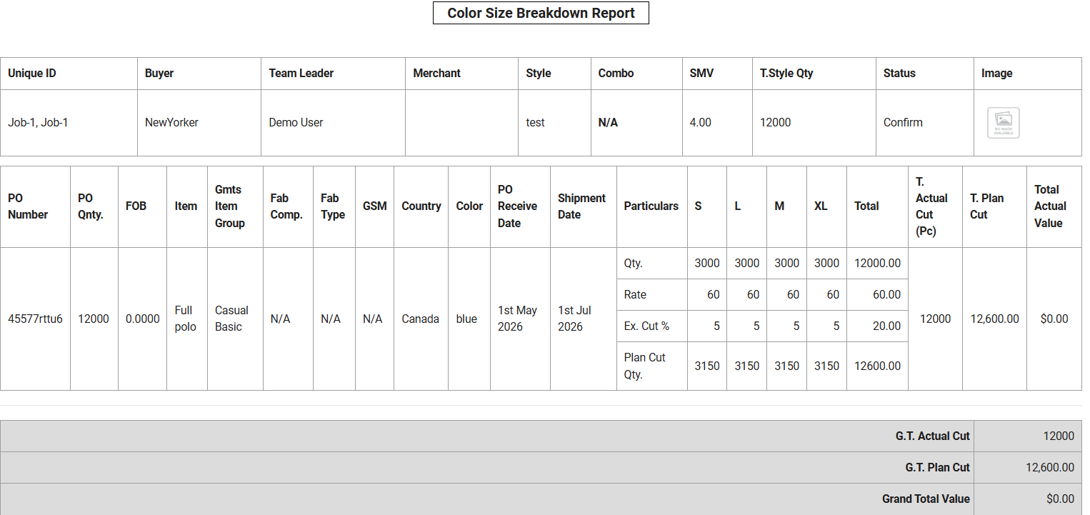
 |  | 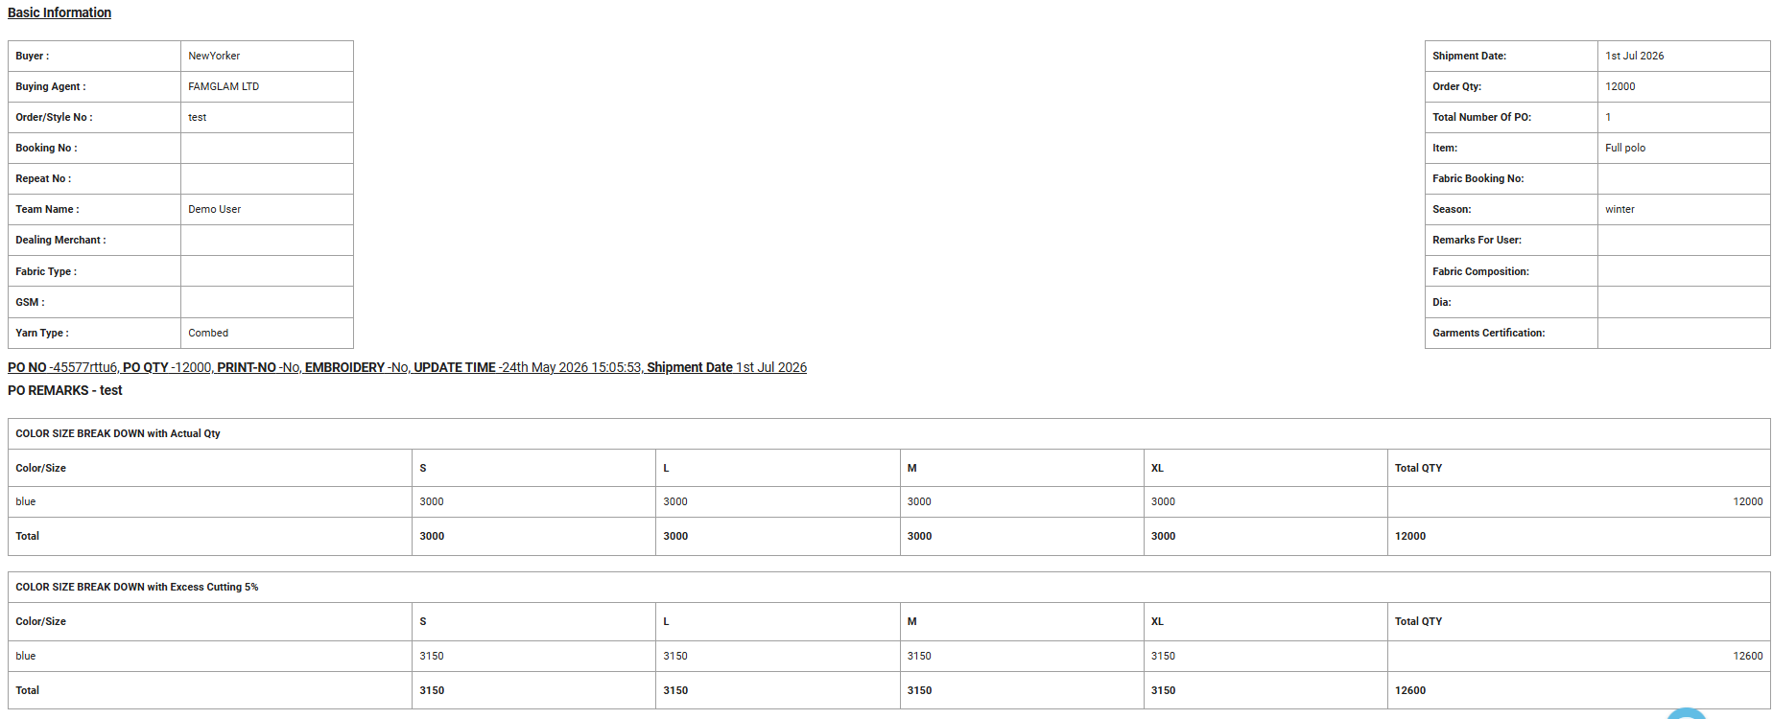 2nd View Page

Order Approval
SL | Menu | Event | Story | Dependancy
 | Approval |  | Search Field - Buyer (Multiple), Unique ID (Multiple), Year (Multiple), Style (Multiple), From Date. To Date, Approval Type, Action( Search)
 |  |  | After Search - List - SL, Buyer, Style, PO, Actual PO Quantity, Plan cut Quantity, FOB, Extra%, Garments Group, Fabric Type, Composition, GSM, Garments Certification, PO, Received Date, Shipment Date, Lead Time, Merchant, Team Leader, PO Approved Status ( Approved/Not Approved), Approve by, User Remarks, Feedback from approval body, Image, Action ( 1st, 2nd, 3rd view page, Edit, Delete & others as Quotation).

T&A
SL | Menu | Event | Story | Dependancy
 |  | T&A Progess Report (Style wise) | Search Field will be against "Unique ID and Style Name"
 |  |  | Buyer, Style, Unique Id, Merchant Name, PO (Multiple & Stylewise dropdown)

